Sheet1
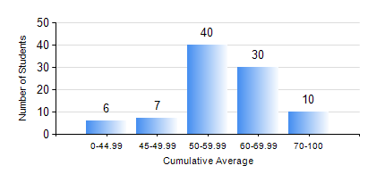
 |  |  | KWAME NKRUMAH UNIVERSITY OF SCIENCE AND TECHNOLOGY, KUMASI Department of Mechanical Engineering

 |  |  | BSC. AUTOMOBILE ENG.

 |  |  | COMPREHENSIVE RECORD OF EXAMINATION RESULTS

 |  |  | RESULTS OF YEAR 2 SECOND SEMESTER, 2022/2023 ACADEMIC YEAR

 | Sn | Course Code |  | Course Name | Credit Hours | Min. Mark | Max. Mark | Avg. Mark | Std. Dev. | No. Passed | No. Trailed | No. (Df) | No. (I) | No. (I*) | No. Tagged(I,I*,Df) | Total
 | 0. |  |  |  |  |  |  | 0 | 0 | 0 | 0 | 0 | 0 | 0 | 0 | 8
 | 1. | AME 274 |  | DESIGN OF AUTO MACHINE ELEMENTS | 3 | 24 | 97 | 54 | 15.47 | 78 | 7 | 0 | 0 | 0 | 0 | 85
 | 2. | AME 284 |  | AUTOMOTIVE ELECTRICAL SYSTEMS AND ELECTRONICS | 2 | 40 | 89 | 64 | 10.8 | 85 | 0 | 0 | 0 | 0 | 0 | 85
 | 3. | AME 296 |  | AUTOMOBILE ENGINEERING LABORATORY II | 1 | 57 | 92 | 76 | 10.03 | 85 | 0 | 0 | 0 | 0 | 0 | 85
 | 4. | MATH 252 |  | CALCULUS WITH SEVERAL VARIABLES | 4 | 32 | 82 | 60 | 11.48 | 84 | 1 | 0 | 0 | 0 | 0 | 85
 | 5. | ME 252 |  | FLUID DYNAMICS I | 2 | 13 | 90 | 55 | 14.89 | 80 | 5 | 0 | 0 | 0 | 0 | 85
 | 6. | ME 264 |  | MECHANISM SYNTHESIS AND ANALYSIS I | 3 | 21 | 92 | 59 | 13.62 | 81 | 4 | 0 | 0 | 0 | 0 | 85
 | 7. | ME 270 |  | MANUFACTURING TECHNOLOGY | 3 | 22 | 87 | 63 | 12.69 | 84 | 1 | 0 | 0 | 0 | 0 | 85

